Standards
- |  | Digital Technologie 2.3 | Credits | 4 | Notes | Digital Technologie 2.5 & 3.5 | Credits | 12 | Notes | Digital Technologie 2.7 & 3.7 | Credits | 12 | Notes | Digital Technologie 2.8 & 3.8 | Credits | 12 | notes
 | Information Reference ---> | 0 |  |  | Exemplars | https://www.nzqa.govt.nz/nqfdocs/ncea-resource/achievements/2019/as91894.pdf https://www.nzqa.govt.nz/nqfdocs/ncea-resource/achievements/2019/as91904.pdf |  |  |  | https://www.nzqa.govt.nz/nqfdocs/ncea-resource/achievements/2019/as91896.pdf https://www.nzqa.govt.nz/nqfdocs/ncea-resource/achievements/2019/as91906.pdf |  |  |  | https://www.nzqa.govt.nz/nqfdocs/ncea-resource/achievements/2019/as91897.pdf https://www.nzqa.govt.nz/nqfdocs/ncea-resource/achievements/2019/as91907.pdf
https://www.nzqa.govt.nz/ncea/subjects/digital-technologies/annotated-exemplars/ | Exemplar Reference | https://www.nzqa.govt.nz/ncea/subjects/digital-technologies/annotated-exemplars/level-2-as91374/ |  |  |  | https://www.nzqa.govt.nz/ncea/subjects/digital-technologies/clarifications/level-3/as91904/ |  |  | - | https://www.nzqa.govt.nz/ncea/subjects/digital-technologies/clarifications/level-3/as91906/ |  |  |  | nzqa.govt.nz/ncea/subjects/digital-technologies/clarifications/level-3/as91907/
THIS COLOR HERE MEANS THAT IT IS NEEDED FOR LEVEL 3 |  | Achieved | Completed ✔/ ✘ |  |  | Achieved | Completed ✔/ ✘ |  |  | Achieved | Completed ✔/ ✘ |  |  | Achieved | Completed ✔/ ✘
 |  | Use advanced & complex techniques to develop a database involves: |  |  |  | Use advanced & complex techniques to develop an electronics outcome involves: |  |  |  | Use advanced & complex programming techniques to develop a computer program involves: |  |  |  | Use advanced & complex processes to develop a digital technologies outcome involves:
MAKED IN 2019 |  | using appropriate tools and advanced techniques to organise, query and present data for a purpose and end users | ✔ |  |  | using appropriate resources and techniques to develop a functional electronics outcome |  |  | What class's as appropriate | using advanced & complex techniques in a suitable programming language |  |  |  | using recognised & appropriate project management tools and techniques to plan the development of a digital technologies outcome
Amount of expected Credits |  | designing the structure of the data | ✔ |  |  | constructing, testing and debugging to ensure that the electronics outcome performs to specifications |  |  |  | writing code for a program that performs a specified task |  |  |  | decomposing the digital technologies outcome into smaller components
40 |  |  |  |  |  | explaining the behaviour and function of the electronics outcome |  |  |  |  |  |  |  | trialling the components of the digital technologies outcome
https://seniorsecondary.tki.org.nz/Technology/Digital-technologies/Assessment#Level%202 |  | using appropriate tools and advanced techniques to organise, query and present data for a purpose and end users | ✔ |  | PHPMYADMIN ? | explaining the interfaces and functions of components and systems |  |  |  | setting out the program code clearly and documenting the program with comments |  |  |  | trialling components of the outcome
https://seniorsecondary.tki.org.nz/Technology/Digital-technologies/Assessment#Level%203 |  |  | ✔ |  |  | explaining & addressing relevant implications. |  |  |  |  |  |  |  | testing that the digital technologies outcome functions as intended
 |  | explaining relevant implications |  |  |  |  |  |  |  |  |  |  |  | addressing relevant implications.
 |  | Merit |  |  |  | Merit |  |  |  | Merit |  |  |  | Merit
 |  | Use advanced & complex techniques to develop an informed database involves: | ✔ |  |  | Use advanced & complex techniques to develop an informed electronics outcome involves: |  |  |  | Use advanced & complex programming techniques to develop an informed computer program involves: |  |  |  | Use advanced & complex processes to develop an informed digital technologies outcome involves:
 |  | structuring, organising and querying the data logically | ✔ |  | What is NQEA definition of logically | identifying the behaviour and function of the electronics outcome |  |  | Break down into individual components? | documenting the program with appropriate names and comments that describe code function and behaviour |  |  |  | ●effectively using project management and version control tools and techniques to manage the development of a digital technologies outcome , feedback and/or collaborative processes
 |  | Using information from testing procedures to improve the quality of the database | ✔ |  |  | testing and modifying to ensure reliability of the electronics outcome & using information from testing and analysis to ensure the circuit(s) functions reliably. |  |  |  | documenting the program with appropriate variable/module names and organised comments that describe code function and behaviour |  |  |  | effectively trialling multiple components and/or techniques and selecting those which are most suitable
 |  | addressing relevant implications. | ✔ |  | How much to write | Evaluating the choice of components and systems used |  |  |  | following common conventions for the chosen programming language |  |  |  | effectively using information appropriately from testing and trialling to improve the functionality of the digital technologies outcome
 |  |  | ✔ |  |  | Addressing relevant implications. |  |  |  | testing and debugging the program effectively to ensure that it works on a sample of both expected cases and relevant boundary cases. |  |  |  | addressing relevant implications
 |  | Excellence |  |  |  | Excellence |  |  |  | Excellence |  |  |  | Excellence
 |  | Use advanced & complex techniques to develop a refined database involves: | ✔ |  |  | Use advanced & complex techniques to develop a refined electronics outcome involves: |  |  |  | Use advanced & complex programming techniques to develop a refined computer program |  |  |  | Use advanced & complex processes to develop a refined digital technologies outcome involves:
 |  | using efficient tools and techniques in the outcome’s production | ✔ |  |  | undertaking iterative improvement throughout the design, development and testing process to produce a high-quality electronics outcome |  |  | Hows does one define high-quality | ensuring that the program is a well-structured, logical response to the specified task |  |  |  | Synthesise information gained from the planning, testing and trialling of components
 |  | iterative improvement throughout the design, development and testing process | ✔ |  |  | justifying the choice of components and systems used. |  |  |  | making the program flexible and robust |  |  |  | discussing how this information led to the development of a high-quality digital technologies outcome.
 |  | presenting the data effectively for the purpose and end users. | ✔ |  |  | justifying the choice of communication protocols | link |  |  | comprehensively testing and debugging the program.
 |  |  |  |  |  | justifying the choice of components and subsystems
 |  | Other |  |  |  | Other |  |  |  | Other |  |  |  | Other
 |  | Advanced techniques will include a selection from: ● linking data in related tables or nodes using queries or keys ● writing custom queries to filter and/or sort data ● using logical, mathematical and/or wildcard operators ● customising presentation of the data ● using custom forms to add user input to the database ● setting validation rules for data entry. | ✔ |  | Try to cover 3/4 of these | Examples of testing, modifying and debugging include: ● using testing devices and testing strategies ● testing expected, boundary and invalid inputs ● changing board layout ● improving component selection. |  |  | seen in Merit[2] | The programming language chosen must support the required data types, control structures, advanced programming techniques and have good commenting facilities |  |  | Make a list of one that are acceptable [L2] | Examples of project management and version control tools and techniques include: ● saving backup copies with a logical file naming system ● using collaboration tools ● using simple version control software applications ● using tools or systems to plan tasks and milestones ● adjusting key actions and tasks where appropriate
 |  | Complex techniques will include a selection from: ● structuring the data using multiple tables or nodes ● creating queries which insert, update or delete to modify data ● creating customised data displays from multiple tables or nodes (e.g. reports, PDFs, web pages, dashboards, program interfaces) ● dynamically linking data between the database and a front-end display ● applying data access permissions as appropriate to the outcome. | ✔ |  |  | Examples of advanced techniques may include: ● using embedded software ● subsystem level design ● remote control ● advanced printed circuit board (PCB) development ● data storage (EEPROM) ● analogue to digital conversion (ADC). |  |  | [2] Seen in Excellence.Try to cover 3/4 of these. EEPROM is build in with arduino | An advanced computer program: ● uses variables storing at least two types of data (e.g. numeric, text, Boolean) ● uses sequence, selection and iteration control structures ● takes input from a user, sensors, or other external source ● produces output |  |  | uses two or more advanced programming techniques. (needed to achieve )[L2][L3] | Examples of project management tools and techniques include: • Agile or waterfall techniques • Kanban or scrum boards • version control software • collaboration tools • managing assets.
 |  | Examples of relevant implications include: ● social ● cultural ● legal ● ethical ● intellectual property ● privacy ● accessibility ● usability ● functionality ● aesthetics ● sustainability and future proofing ● end-user considerations ● health and safety. | ✔ |  | Comeplate as much as you can | Examples of complex techniques include: ● implementing communication protocols e.g. i2C, serial communications ● wireless transfer of information ● feedback control ● implementing software flags and interrupts ● CAD design, 3D printing, CNC, PCB making ● filtering, noise and EMI suppression. |  |  | [3] |  |  |  |  | Examples of relevant implications include: ● social ● cultural ● legal ● ethical ● intellectual property ● privacy ● accessibility ● usability ● functionality ● aesthetics ● sustainability and future proofing ● end-user considerations ● health and safety.
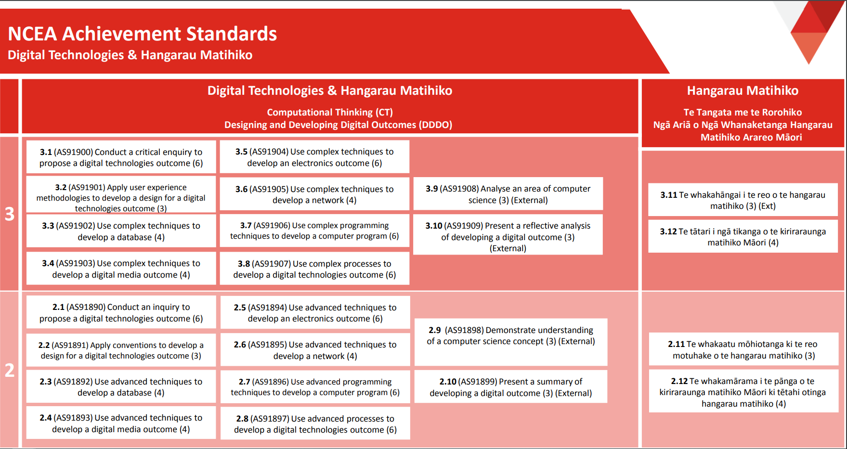
 |  |  |  |  |  | Examples of relevant implications include: ● social ● cultural ● legal ● ethical ● intellectual property ● privacy ● accessibility ● usability ● functionality ● aesthetics ● sustainability and future proofing ● end-user considerations ● health and safety. |  |  | [2][3] Comeplate as much as you can | Examples of advanced programming techniques include: ● modifying data stored in collections (e.g. lists, arrays, dictionaries) ● storing multidimensional data in collections ● creating methods, functions, or procedures that use parameters and/or return values ● responding to events generated by a graphical user interface (GUI) ● using non-trivial string manipulation ● using additional non-core libraries. |  |  | (needed to Excellence)[L2] that class's as using non-trivial string manipulation
 |  |  |  |  |  |  |  |  |  | Examples of complex programming techniques include: ● programming or writing code for a graphical user interface (GUI) ● reading from, or writing to, files or other persistent storage ● object-oriented programming using class(es) and objects defined by the student ● using types defined by the student ● using third party or non-core API, library or framework ● using complex data structures (e.g. stacks, queues, trees). |  |  | [L3]
 |  |  |  |  |  |  |  |  |  | Examples of ways of making a program flexible and robust include: ● using actions, conditions, control structures and methods, functions, or procedures effectively ● checking input data for validity ● correctly handling expected, boundary and invalid cases ● using constants, variables and derived values in place of literals. |  |  | (needed to Excellence)[L2]

